y(no const)
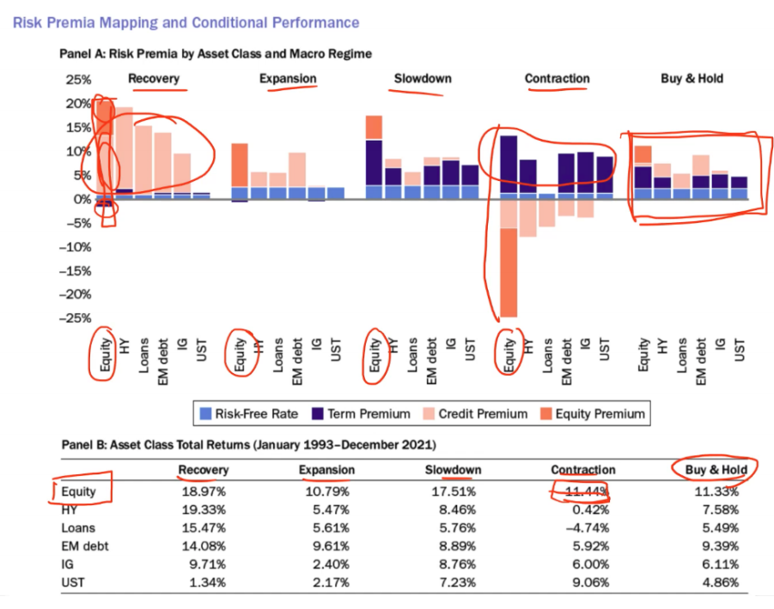
 | SUMPROD | rf항 | credit항 | term항 | equity항 | sum | check |  |  | rf항 | credit항 | term항 | equity항 |  |  | risk free rate | credit premium | term premium | equity premium
re_SPY | 0.46549382406 | 0.045636517453 | -0.12474172279 | 0.13638365505 | 0.40821537435 | 0.46549 | 1 | y(SPY) | re_SPY | 0.0069423105396 | 0.060413090195 | -0.010535768017 | 0.31386690842 | recovery | SPY | 0.045636517453 | -0.12474172279 | 0.13638365505 | 0.40821537435
ex_SPY | 0.31759753169 | 0.11499050132 | -0.39662858905 | 0.36338298749 | 0.23585263194 | 0.31760 | 1 |  | re_LQD | 0.016971843593 | 0.037981914356 | -0.0039925438137 | 0.19480101326 |  | LQD | 0.045636517453 | 0.031826230655 | 0.03270668276 | 0.049561368386
sl_SPY | -0.0041352982488 | 0.2335030376 | -0.76424173423 | 0.61816594757 | -0.091562549185 | -0.00414 | FALSE |  | re_IEF | 0.011936021661 | 0.03161395556 | -0.021682691093 | -0.15502680415 |  | IEF | 0.045636517453 | -0.087084288066 | 0.11615615908 | -0.050998285688
con_SPY | 0.11722397538 | 0.055202948103 | -0.11578465972 | 0.11295559245 | 0.064850094544 | 0.11722 | 1 |  | ex_SPY | 0.00086476270714 | -0.011742652366 | 0.017655949274 | -0.19499082968 | expansion | SPY | 0.11499050132 | -0.39662858905 | 0.36338298749 | 0.23585263194
bh_SPY | 0.27049894692 | 0.10856705973 | -0.29227020011 | 0.26546597461 | 0.1887361127 | 0.27050 | 1 |  | ex_LQD | 0.010974517917 | 0.004686994388 | 0.013346820816 | 0.073263687721 |  | LQD | 0.11499050132 | -0.52069926222 | 0.45776895641 | 0.022721023158
re_LQD | 0.15973079925 | 0.045636517453 | 0.031826230655 | 0.03270668276 | 0.049561368386 | 0.15973 | 1 | y(LQD) | ex_IEF | 0.037112275749 | 1.0435751764 | -0.54929101023 | 0.039539416754 |  | IEF | 0.11499050132 | -0.50212256455 | 0.4418832752 | -0.01341107989
ex_LQD | 0.074781218666 | 0.11499050132 | -0.52069926222 | 0.45776895641 | 0.022721023158 | 0.07478 | 1 |  | sl_SPY | -0.0069113738667 | -0.26366704623 | 0.17577038064 | 0.011722750961 | slowdown | SPY | 0.2335030376 | -0.76424173423 | 0.61816594757 | -0.091562549185
sl_LQD | 0.040825136534 | 0.2335030376 | -0.78932806811 | 0.59426801415 | 0.0023821528965 | 0.04083 | 1 |  | sl_LQD | 0.069259955792 | 0.72172477648 | -0.44212457859 | 0.0040977505719 |  | LQD | 0.2335030376 | -0.78932806811 | 0.59426801415 | 0.0023821528965
con_LQD | 0.16783269874 | 0.055202948103 | 0.14792746518 | -0.052870889163 | 0.017573174623 | 0.16783 | 1 |  | sl_IEF | -0.016201589614 | 0.5720979273 | -0.33761288239 | -0.049250317396 |  | IEF | 0.2335030376 | -0.65134712565 | 0.48393041457 | 0.022811151138
bh_LQD | 0.12001919327 | 0.10856705973 | -0.21994737201 | 0.19976617772 | 0.031633327836 | 0.12002 | 1 |  | con_SPY | 0.020077517428 | 0.43054232388 | -0.24706250912 | 0.012379657689 | contraction | SPY | 0.055202948103 | -0.11578465972 | 0.11295559245 | 0.064850094544
re_IEF | 0.023710102781 | 0.045636517453 | -0.087084288066 | 0.11615615908 | -0.050998285688 | 0.02371 | 1 | y(IEF) | con_LQD | 0.026837062787 | 0.3428223994 | -0.14727304163 | -0.036637381728 |  | LQD | 0.055202948103 | 0.14792746518 | -0.052870889163 | 0.017573174623
ex_IEF | 0.041340132086 | 0.11499050132 | -0.50212256455 | 0.4418832752 | -0.01341107989 | 0.04134 | FALSE |  | con_IEF | 0.0046080068412 | -0.094707219672 | 0.078229939521 | -0.018139795937 |  | IEF | 0.055202948103 | 0.17770480663 | -0.087783008044 | -0.0036922856283
sl_IEF | 0.088897477664 | 0.2335030376 | -0.65134712565 | 0.48393041457 | 0.022811151138 | 0.08890 | FALSE |  | bh_SPY | 0.05068547069 | 0.72075066588 | -0.48067462435 | 0.038700440959 | buy and hold | SPY | 0.10856705973 | -0.29227020011 | 0.26546597461 | 0.1887361127
con_IEF | 0.14143246106 | 0.055202948103 | 0.17770480663 | -0.087783008044 | -0.0036922856283 | 0.14143 | 1 |  | bh_LQD | 0.043335080273 | 0.55944404054 | -0.30615505367 | 0.011644495681 |  | LQD | 0.10856705973 | -0.21994737201 | 0.19976617772 | 0.031633327836
bh_IEF | 0.074175907741 | 0.10856705973 | -0.19321428618 | 0.179225381 | -0.020402246797 | 0.07418 | 1 |  | bh_IEF | 0.030621560103 | 0.38874732457 | -0.21864127034 | -0.0080127545221 |  | IEF | 0.10856705973 | -0.19321428618 | 0.179225381 | -0.020402246797

